User guide
Using the Problem and Risk Register template
Make sure that the macros are active to ensure the correct functioning of the template.

I. How to use the template
1. Start by completing the "Risk register" sheet as follows:
ID : | This cell is filled in automatically by filling in the ID
Nature: | Choose the nature of the risk from the drop down list
Description: | Include a description of the risk
Gravity: | Choose the level of impact of the risk on the project from the drop-down list (catastrophic, severe, major or minor).
Probability: | Choose the level of probability of occurrence of the risk from the drop-down list (Very likely, Unlikely, Likely or Unlikely).
 | Note that each organization must define the meaning of each level of probability and severity (Ex: Serious impact = "Alpha" server is out of production for 4 hours). For this template we have explained these levels in the "Scales" sheet that you can customize.
Criticality: | The criticality is calculated automatically : criticality = Severity X Probability. Here are the 3 levels of which it is composed: Criticality <= 2 (moderate); 2 <criticality <8 (Critical); criticality> = 8 (Very critical) In this model, we have chosen the criticality thresholds above. These thresholds should be determined by each organization based on its own "risk appetite". According to the criticality, the 3 columns (E, F, and G) are colored as follows:
 | Moderate
 | Critical
 | Very critical

Consequence if proven: | Choose which item the risk may have an impact on. In this model, we have configured 4 elements: Deadline, budget, quality or content.
Trend: | Choose the trends in risk development. In this model 3 levels are possible: Rise, fall or stable.
Owner: | Choose who is responsible for this risk. This is the person responsible for monitoring the risk and taking action if necessary.
Preventive actions: | List the actions to be taken to prevent the occurrence of the risk.
Corrective actions: | List the actions to be taken if the risk do occur.

2. Go to the "Problem register" sheet (A problem is a proven event, unlike a risk. The latter can turn into a problem)
Fill in the following columns:
ID : | This cell is filled in automatically by filling out the ID
Description of the problem: | Describe the scope of the problem that arose along the way
Summary of Impact (Severity): | Briefly describe the impact of the problem on the problem
Other identification elements: | Fill in the data related to the identification of the problem: date identified, declared by, etc.
Elements of resolution of the problem: | Fill in the data related to the resolution of the problem: person in charge, processing status, corrective actions

3. Go to the "Matrix" sheet
Depending on both the severity and the probability of the risk, its ID is automatically entered in the right place on the risk matrix.
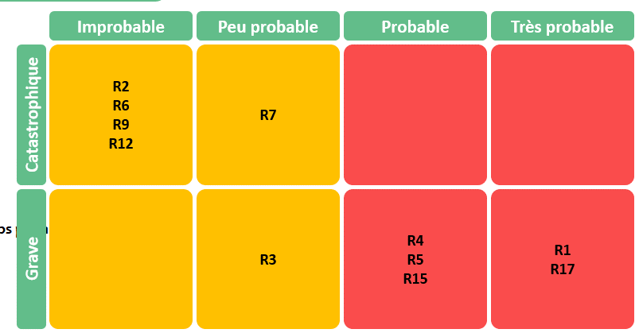

On the legend, the ID of the risk as well as its description are automatically included, in order to make it easier for you to recognize the risks.

Note that the colors on the matrix are automatically changed according to the criticality thresholds.

II. Template customization
"Risk register" sheet
To add a row at the end of the table, just double click in the box belonging to the ID column.

"Settings" sheet
Unlock the sheet using the password provided
If you want to modify any element in the settings, you need to use the password provided, as shown in the screenshot below:

Adding, deleting, or modifying an element
Any modification is possible from the "Settings" sheet.
To add a new element, just type the new label just below the last line, as shown in the screenshot below:
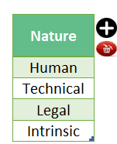
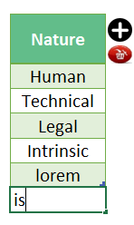


You can add an item between the lines according to the following steps:
* Select the field above which you want to add a line, then click on the "Plus" button then "Yes", as shown in the screenshot below:

To delete a row. Proceed as follows:
*You should select the cell to be deleted. Then click on the delete button in red, as shown in the screenshot below:
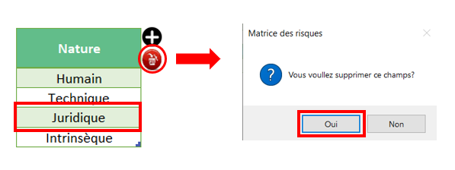

To change a label, all you have to do is replace the existing label with the new one.

Setting up the Matrix
The Matrix is currently in 4X4 format. You can change its dimensions by adding a criterion of severity or probability as well as its weight. Caution: As a result, remember to update the criticality threshold. The Matrix takes a different form depending on your choice (4X5, 6X6, etc.), as shown in the example below:
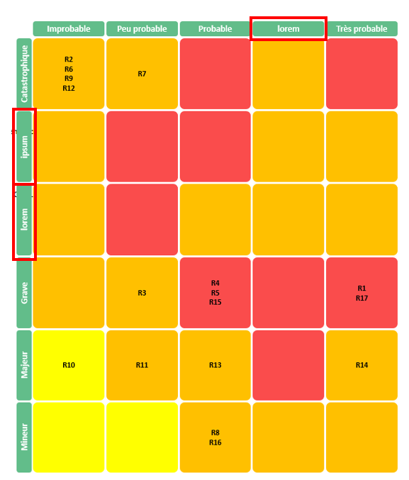

Customization of criticality
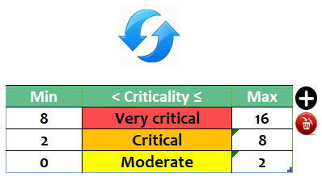

You must define the criticality threshold if you want to change it
Adding works the same way described above.
Once your modification is made, remember to click on the update sign in blue above the table, for your update to take effect.

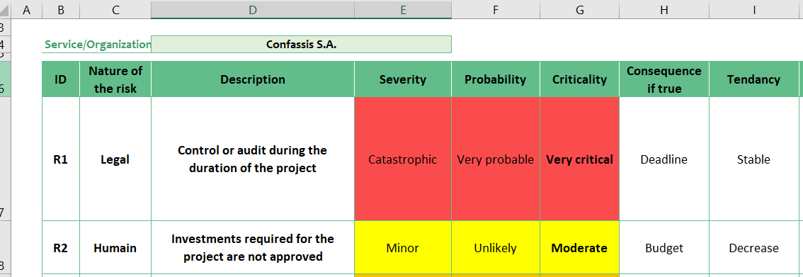
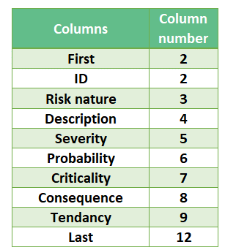
Addition of a column in the "risk register" sheet
If you add a column, you shift the other columns that follow a certain order. Therefore, it will be necessary to update the order numbers of the columns on the parameter setting for a better functioning of the macro. Here is how it looks like:

You can see that the "Severity" column (column E) is the 5th column starting from the left. So if you add a column, you should adjust the order of the other columns mentioned on the table of the "settings" sheet. So, if you add a column to the right of column E (Severity), the "Probability" column must have the number 7 in the instead of 6 since there has been a shift of one column. And so on. You can modify the number of a column in the settings sheet.

Risk register
Risk register

Name / Project code |  | SAP30 / CMRL |  |  |  |  |  |  | Creation date | 2022-05-01

Reference |  | Strategy2022 / CMRL |  |  |  |  |  |  | Version date | 2022-05-03

Project manager |  | Chantal Dupont |  |  |  |  |  |  | Version N° | V1.1

Service/Organization |  | Confassis S.A.

ID | Nature of the risk | Description | Severity | Probability | Criticality | Consequence if true | Tendency | Owner | Preventive actions | Corrective actions
R1 | Legal | Control or audit during the duration of the project | Catastrophic | Very probable | Very critical | Schedule | Stable | Jacques Meunier | Contact with our audit firm to explain the situation and the implications of an unannounced check. Development of a contingency plan that will be activated by the management committee. | Exceptional Management Committee when the contingency plan will be explained and discussed. Known impacts today: costs and delays because the project will be delayed with certainty.
R2 | Human | Investments required for the project are not approved | Minor | Unlikely | Moderate | Budget | Decrease | Chantal Dupont | Approval of the opportunity study as well as of the project charter. | Management committee and communication of the consequences for the company.
R3 | Human | Labor unions do not approve the project | Severe | Unlikely | Critical | Schedule | Decrease | Change manager | Detailed, transparent and targeted communication. | Negotiation with unions labor and detailed explanations
R4 | Intrinsic | IT resources are not available full time | Major | Likely | Critical | Schedule | Stable | Chantal Dupont | Involvement of Daniel Château, In all stages of the project, including the charter approval. Availability of assigned resources continuously checked by the project manager. | Chantal Dupont in direct contact with the DI in order to assess the consequences and apply corrective actions.
R5 | Human | Local resources (change manager, integration manager) are not available full time | Severe | Likely | Very critical | Schedule | Stable | Jacques Meunier | This availability is under the responsibility of the integration manager and the change manager. The resources have already been approved by the heads of CMRL departments. | The problem will be raised at the next steering committee if it hasn't been resolved in the meantime.
R6 | Intrinsic | The sponsor is not available and does not support the project | Catastrophic | Improbable | Critical | Schedule | Decrease | Chantal Dupont | Involvement of the Sponsor in all stages of the project. Awareness (training) of the importance of the role for the success of the initiative. | The problem will be raised at the next steering committee if it hasn't been resolved in the meantime.
R7 | Intrinsic | The new system is not available until the end of the year | Catastrophic | Unlikely | Critical | Schedule | Stable | Chantal Dupont | The progress of the project will be checked every week in order to avoid this risk. It is essential that a B plan be available when the probability increases. | Contact our audit firm (PwC) and inform the management committee. Implementation of the contingency plan that was prepared during preventive actions.
R8 | Human | Contracts for old systems are not canceled on January 1, 2022 | Minor | Likely | Critical | Budget | Stable | Chantal Dupont | An action will be added to the project plan during the final testing phase to verify if this eventuality does not occur. | This risk is a financial risk. It should not have any repercussions on the project. It is however useful, for the respect of the return on investments, this point is checked regularly.
R9 | Technical | Headquarters servers cannot support the additional load | Catastrophic | Improbable | Critical | Schedule | Decrease | Chantal Dupont | A load study was carried out during the establishment of the charter. A contingency plan is being developed and additional technical resources will be made available. | Activation of the contingency plan. Involvement of the IT department.
R10 | Technical | All the documentation does not comply with the ISO standards in force | Major | Improbable | Moderate | Quality | Decrease | Jacques Meunier | ISO rules for documentation will be clarified to all resources involved in the project. The documentation will be developed based on the documentations established during previous SAP projects. | Verification by our auditors and application of the recommendations received.
R11 | Technical | The new system will be fully operational upon delivery of the CMRL production ramp-up project. | Major | Unlikely | Critical | Budget | Stable | Chantal Dupont | Alignment between the SAP 30 project and other CMRL projects by integration into the CMRL portfolio and participation in portfolio steering meetings. | Discussion and corrective actions decided by the management committee.
R12 | Intrinsic | Status-Quo | Catastrophic | Improbable | Critical | Budget | Decrease | Olivier Robespierre | Detailed, transparent communication at all levels of the company. Impacts of a status quo explained and understood by all. | Involvement of the Finance Department and the top Management of the Group.
R13 | Human | Lack of support or interest | Major | Likely | Critical | Quality | Decrease | Change manager | Assignment of a change manager and Communication plan developed and implemented. Contingency plan ready to use. | Implementation of success bonuses, activation of the contingency plan.
R14 | Human | No change manager assigned | Major | Unlikely | Critical | Quality | Raise | Olivier Robespierre | This need has been raised since the opportunity study and is becoming a problem today | Very fast appointment necessary for the smooth running of the project
R15 | Technical | Permanence during the end of year celebrations | Major | Likely | Critical | Schedule | Stable | Chantal Dupont | In order to avoid a switch between Christmas and New Years, the plan is to switch at the close of November. A contingency plan will be developed in case the project takes a minor delay. A changeover can only take place at a monthly close. | If the changeover cannot take place at the end of November, a permanence will be expected voluntary . The needs will be clearly documented so that this "plan B" is achievable.
R16 | Technical | IT network to be reviewed. Increase in the capacity of dedicated lines essential. | Severe | Likely | Very critical | Quality | Stable | Chantal Dupont | The network infrastructure was examined by the experts during the development of the charter. The recommendations have been communicated to IT for action. A follow-up will be done by the project manager. | The new network must be available when the project starts. Delays will be discussed in the management committee. A contingency plan with a reduced number of users is being developed.
R17 | Technical | Permanence during the end of year celebrations | Major | Likely | Critical | Schedule | Stable | Chantal Dupont | In order to avoid a switch between Christmas and New Years, the plan is to switch at the close of November. A contingency plan will be developed in case the project takes a minor delay. A changeover can only take place at a monthly close. | If the changeover cannot take place at the end of November, a permanence will be expected voluntary . The needs will be clearly documented so that this "plan B" is achievable.
R18 | Intrinsic | Uneven data quality of the current system | Severe | Very probable | Very critical | Quality | Stable | Jacques Meunier | Many corrections are currently made by 2 dedicated resources manually. An automatic verification program will be developed on their instructions, in order to improve the quality before the changeover scheduled for November. | If problems persist during data transfer, the 2 resources could extend their assignment. On the other hand, improved control procedures are in the process of being published.
R19
R20
R21
R22
R23
R24

Problem register
Problem register

Name /Project Code |  | SAP30 / CMRL |  |  |  |  |  |  | Creation date |  | 2022-05-03

Reference |  | Strategy2022/CMRL |  |  |  |  |  |  | Version date |  | 2022-05-05

Project manager |  | Chantal Dupont |  |  |  |  |  |  | Version N° |  | V1.0

Service/Organization |  | Confassis S.A.

ID | Identification |  |  |  |  | Resolution |  |  |  |  | Comment
 | Problem Description | Impact summary | Dated Identified | Declared by | Priority | Owner | Status | Correctives actions | Resolution Date | Finale resolution
1 | The change manager has not yet been assigned to the SAP30 project. | Communication plan is pending and stakeholder register is incomplete | 2022-05-01 | Chantal | High | Business | Closing | The sponsor has been informed and understands the importance of the request | 2022-05-05 | Bernard Dupuis is confirmed as Head of Change and Communication Project SAP30 / CMRL. Welcome to the team, Bernard! | This problem must be fixed as a priority in order to avoid any delay in the project kick off process.
2 | The IT infrastructure between the CMRL and the Villacoublay head office needs to be reviewed | Two problems have to be solved: the increase in the power of the servers to support the new load, and the network in which the use will quadruple in the coming months. | 2022-05-02 | Daniel | Critical | Provider | Processing | A study was carried out by the IT department and the needs were identified. The hardware part seems to be under control, the ordering and delivery of the new lines needs to be watched very closely. |  |  | Daniel Château is taking care of this problem as a priority.

3 | The specifics of the CMRL are not fully documented and their real impact has yet to be clarified. | An impact on the perimeters or the production workload cannot be ruled out | 2022-05-03 | Jacques | Medium | Business | New | Our experts from the IT center of excellence are visiting the center in the coming days in order to document the gap between the existing and the future. |  |  | Jacques Meunier has been assigned to coordinate this work. Although the standard seating system is considered as complete. Some specificities of the CMRL might be still missing. This study is a normal procedure at this stage of the project.
3 | The specifics of the CMRL are not fully documented and their real impact has yet to be clarified. | An impact on the perimeters or the production workload cannot be ruled out | 2022-05-03 | Jacques | Medium | Business | New | Our experts from the IT center of excellence are visiting the center in the coming days in order to document the gap between the existing and the future. |  |  | Jacques Meunier has been assigned to coordinate this work. Although the standard seating system is considered as complete. Some specificities of the CMRL might be still missing. This study is a normal procedure at this stage of the project.

Matrix
Criticality matrix
Improbable
Unlikely
Likely
Very probable

Catastrophic
R6 R9
R12
R7
R1

Legend:

Severe
R3
R5
R16
R18
R1 | Control or audit during the duration of the project
R2 | Investments required for the project are not approved
R3 | Labor unions do not approve the project
R4 | IT resources are not available full time
R5 | Local resources (change manager, integration manager) are not available full time
R6 | The sponsor is not available and does not support the project
R7 | The new system is not available until the end of the year
R8 | Contracts for old systems are not canceled on January 1, 2022
Major
R10
R11
R14
R4 R13 R15
R17
R9 | Headquarters servers cannot support the additional load
R10 | All the documentation does not comply with the ISO standards in force
R11 | The new system will be fully operational upon delivery of the CMRL production ramp-up project.
R12 | Status-Quo
R13 | Lack of support or interest
R14 | No change manager assigned
R15 | Permanence during the end of year celebrations
Minor
R2
R8
R16 | IT network to be reviewed. Increase in the capacity of dedicated lines essential.
R17 | Permanence during the end of year celebrations
R18 | Uneven data quality of the current system
R19
R20
R21
R22
R23
R24

